Datailed Inquiry Information
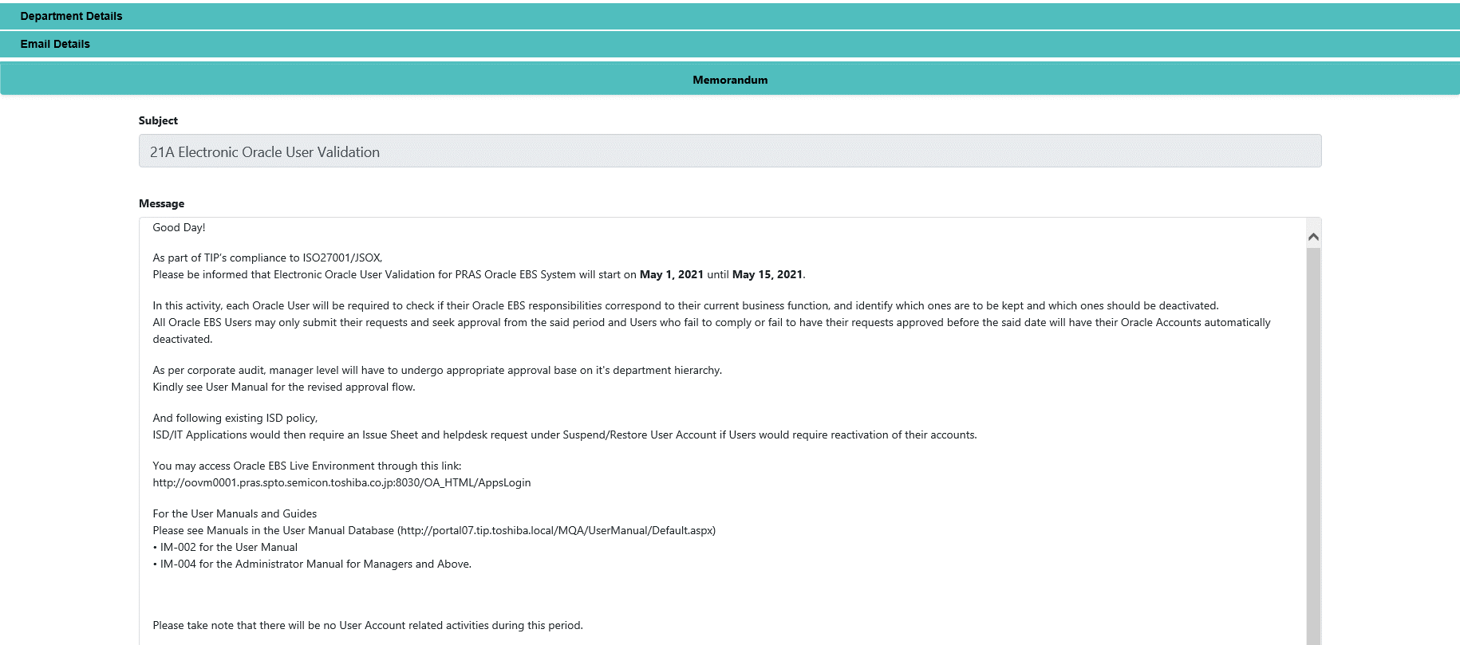
Detailed Inquiry Information

 | PLEASE PROVIDE EVIDENCE OF REQUEST / DETAILS OF REQUEST HERE (IN DETAIL).

Detailed Investigation Result
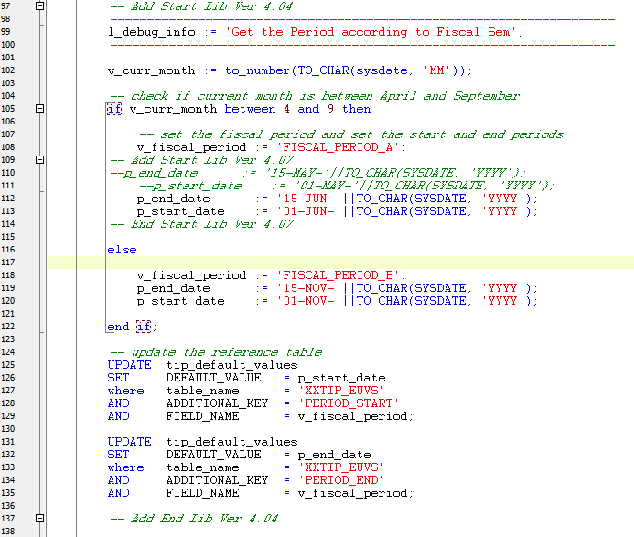
Detailed Investigation Result

 | Modification of Electronic Users Validation System

 | Current Logic of Electronic User Validation System

